Multidoor
Aqua |  |  |  |  |  |  |  | LG |  |  |  |  |  |  |  | SHARP |  |  |  |  |  |  |  | Electrolux |  |  |  |  |  |  | Midea
Model | Picture | Capacity (L) | Range Nett | Width | Tinggi | Door Material | Ecommerce | Model | Picture | Capacity (L) | Range Nett | Width | Tinggi | Door Material | Ecommerce | Model | Picture | Capacity (L) | Range Nett | Width | Tinggi | Door Material | Ecommerce | Model | Capacity (L) | Range Nett | Width | Tinggi | Door Material | Ecommerce | Model | Capacity (L) | Range Nett | Width | Tinggi | Door Material | Ecommerce
AQR-CTD506RGG(BK) | 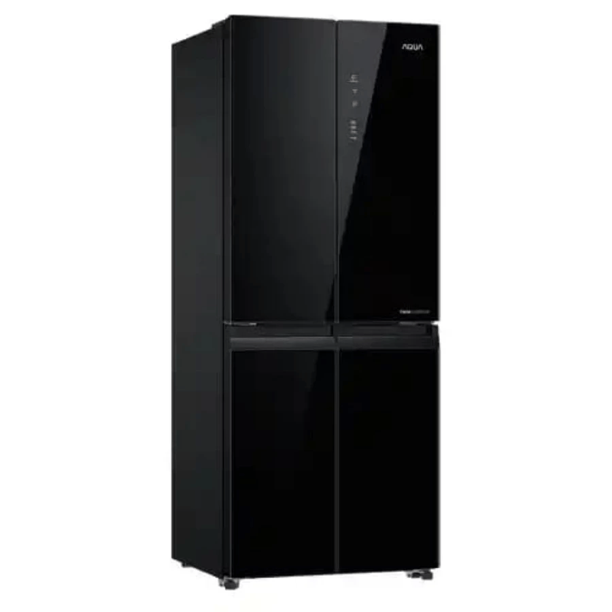 | 506 (gross) / 406 (nett) | 400-500 | 700 | 1775 | Glass | 9,479,000 | GCFB41FPGAM | 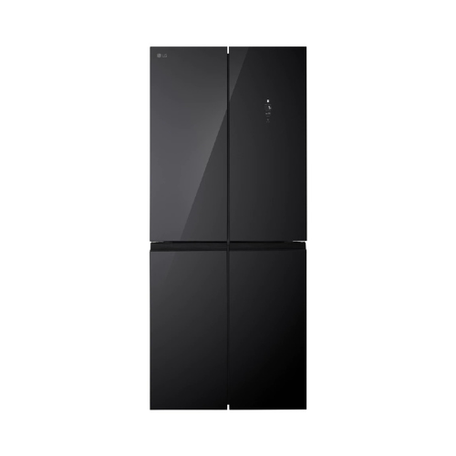 | 434L / 400L | 400-500 | 830 | 1855 | Glass | 11,180,000 | SJ-IFX96PDG-BK |  | 780 (gross) / 650 (nett) | >600 | 908 | 1850 | Glass | 33,755,000 | EQE4905A-B | 496 | 400-500 | 836 | 1780 | Glass | 13,175,000 | MDRF550FGF28ID | 407 | 400-500 | 853 | 1,780 |  | 7,800,000
AQR-CTD506RGC (CB) | 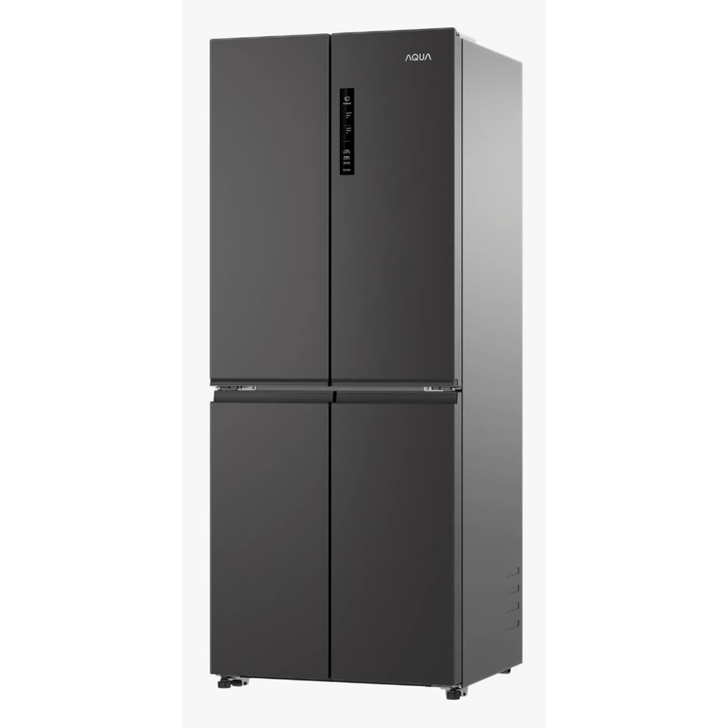 | 506 (gross) / 406 (nett) | 400-500 | 700 | 1775 | Metal | 8,519,000 | GC-V22FFQMB | 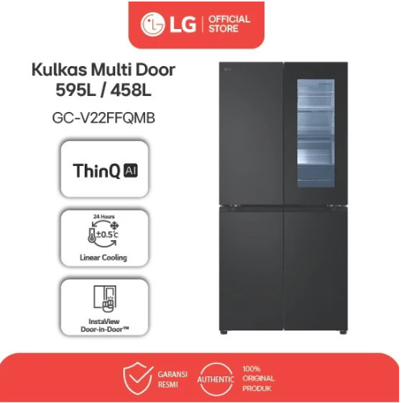 | 595L / 458L | 400-500 | 835 | 1787 | Metal | 21,190,000 | SJ-IFX94PG-CG |  | 800 (gross) / 660 (nett) | >600 | 908 | 1850 | Glass | 26,500,000 | EQE5300A-B | 522 | 500-600 | 914 | 1930 |  | 23,711,000 | MDRF632FIF22ID | 470 | 400-500 | 833 | 1,775 |  | 13,197,000
AQR-TTD546RBG (WT) | 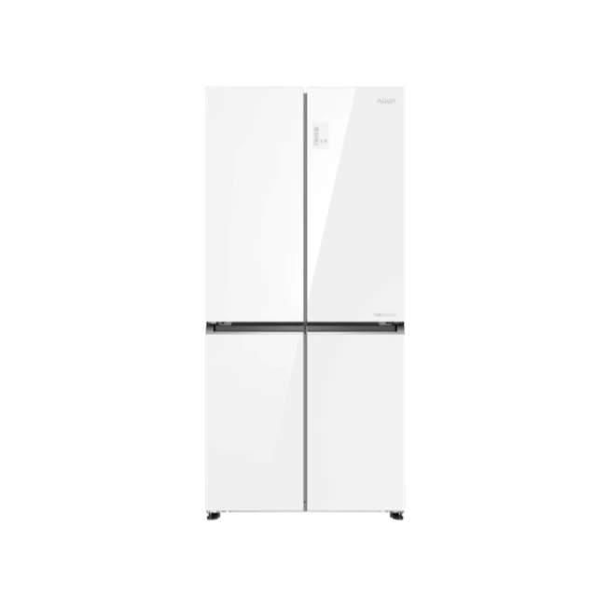 | 546 (gross) / 456 (nett) | 400-500 | 833 | 1804 | Glass | 10,955,000 | GC-Q22FTQKL | 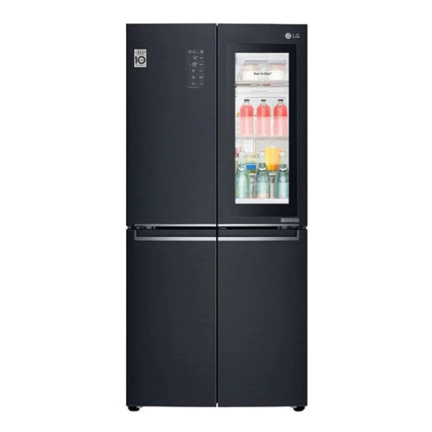 | 595L / 458L | 400-500 | 835 | 1787 | Steel | 19,195,000 | SJ-IFX93PM-DS |  | 800 (gross) / 660 (nett) | >600 | 909 | 1850 | Metal | 26,000,000 | EQE5700B-B | 564 | 500-600 | 896 | 1795 |  | 17,933,000
AQR-TTD546RBC (CB) | 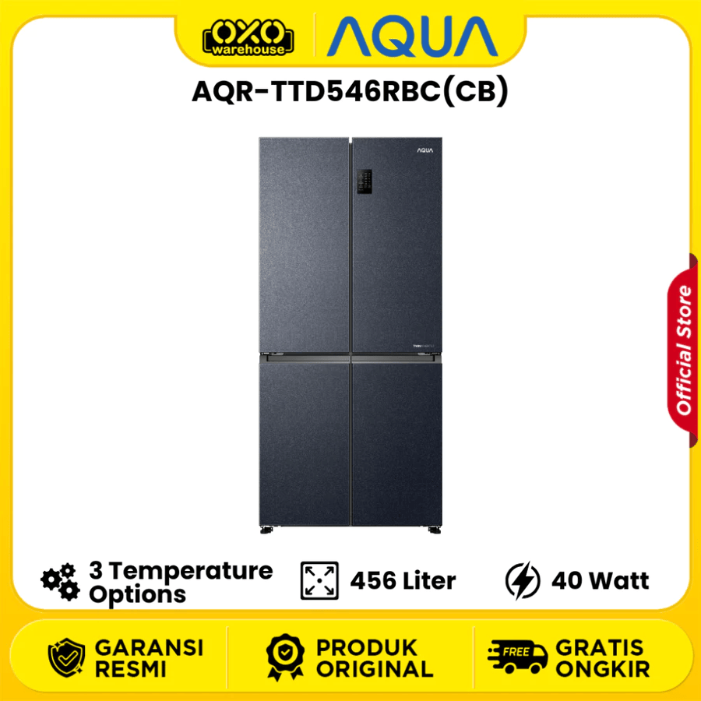 | 546 (gross) / 456 (nett) | 400-500 | 833 | 1804 | Metal | 10,342,000 | GV-K25FFGEB | 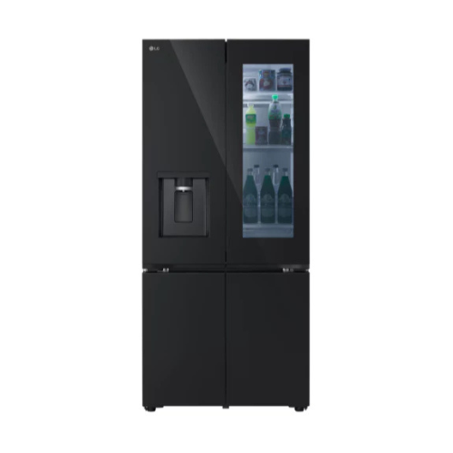 | 672L / 612L | >600 | 835 | 1860 | Glass | 27,990,000 | SJ-IF91PG-GB |  | 639 (gross) / 572 (nett) | >600 | 892 | 1830 | Glass | 18,579,000 | EQE5715A-B | 567 | 500-600 | 911 | 1830 |  | 17,708,000
AQR-TTD546RBV (MX) | 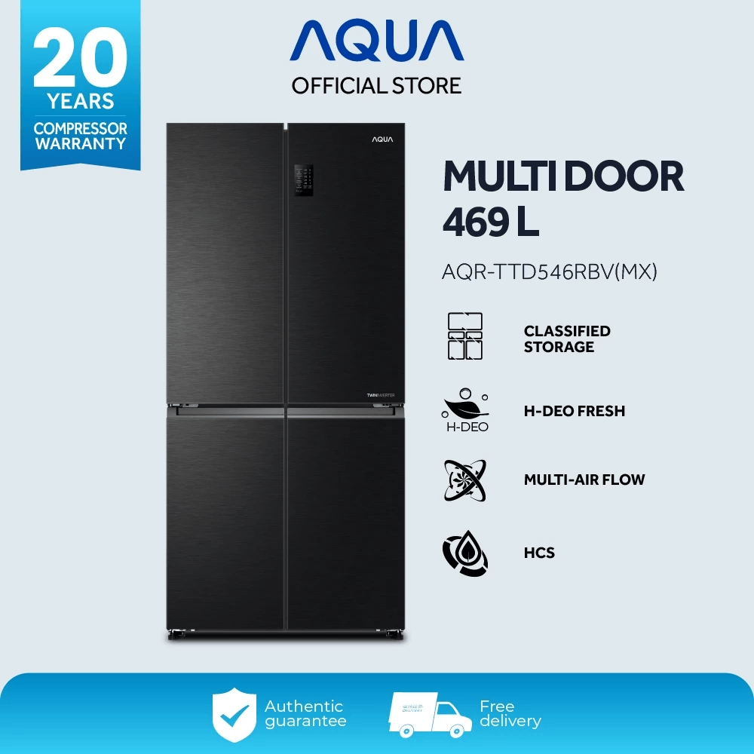 | 546 (gross) / 469 (nett) | 400-500 | 833 | 1804 | Metal | 9,756,000 | GC-V24FFCHB |  | 706L / 635L | >600 | 914 | 1787 | Metal | 24,689,000 | SJ-IF85PG-GB |  | 590 (gross) / 520 (nett) | 500-600 | 892 | 1720 | Glass | 13,499,000 | EQE5760B-B | 562 | 500-600 | 896 | 1795 |  | 20,111,000
AQR-TTD576RSG (CL) | 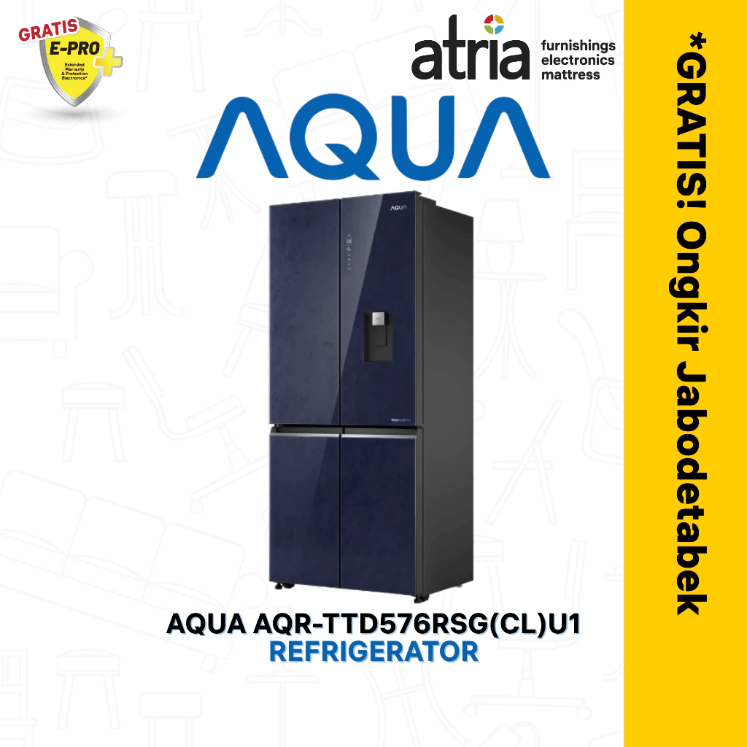 | 576 (gross) / 522 (nett) | 500-600 | 833 | 1804 | Glass | 15,899,000 | GV-B23FFQPB |  | 634L / 575L | 500-600 | 835 | 1777 | Metal | 19,175,000 | SJ-IF90PM-DS |  | 639 (gross) / 572 (nett) | >600 | 892 | 1720 | Metal | 18,880,000 | EQE6879A-B | 609 | >600 | 913 | 1782 |  | 42,847,000
AQR-TTD576RAG (BK) | 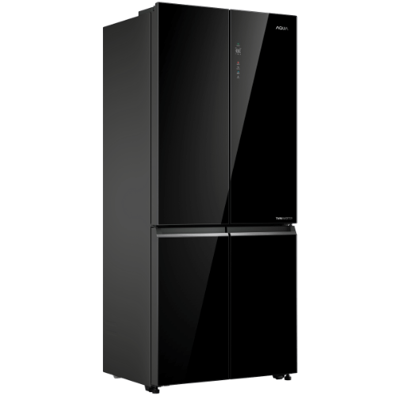 | 576 (gross) / 522 (nett) | 500-600 | 833 | 1804 | Glass | 12,849,000 | GCFB41FPGAM | 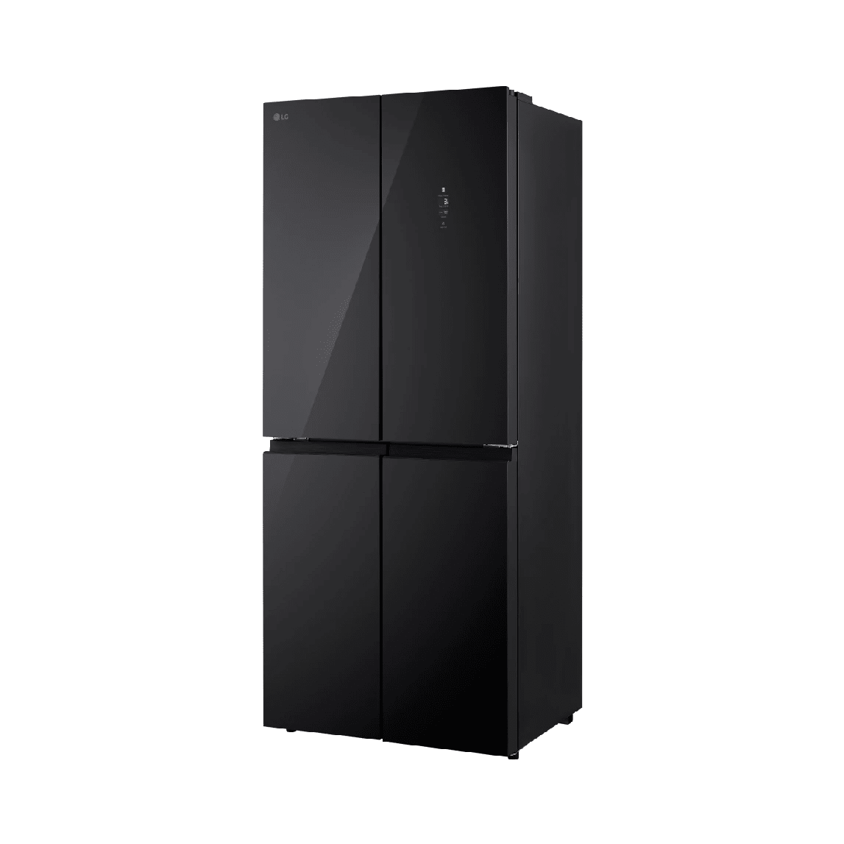 | 434L/400L | 300-400 | 755 | 1835 | Glass | 11,180,000 | SJ-IF85PM-DS |  | 590 (gross) / 525 (nett) | 500-600 | 892 | 1720 | Metal | 17,499,200 | EQE4200A-B | 419 | 400-500 | 759 | 1830 |  | 10,921,000
AQR-CTD746RAG (BK) | 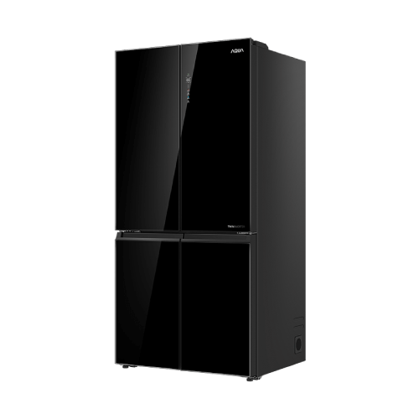 | 746 (gross) / 658 (nett) | >600 | 908 | 1905 | Glass | 16,736,000 | GCFB48FPGAM | 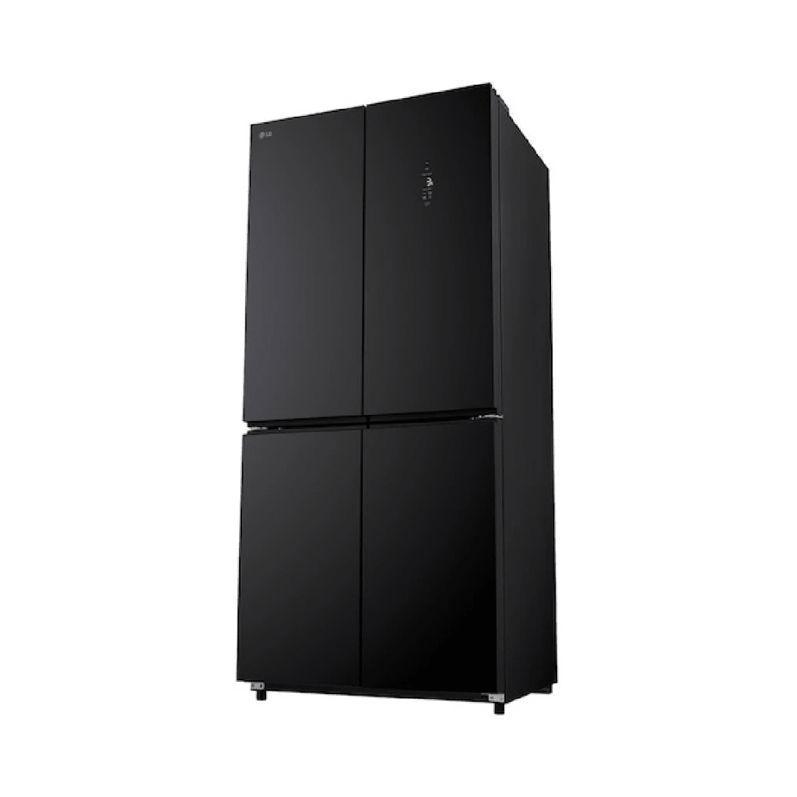 | 550L / 502L | 500-600 | 830 | 1855 | Glass | 14,300,000 | SJ-IF61PG-BK |  | 523 (gross) / 466 (nett) | 500-600 | 892 | 1720 | Metal | 10,490,000 | EQE5660A-B | 562 | 500-600 | 896 | 1795 |  | 13,570,000
AQR-TTD546RBC (BK) |  | 469 | 400-500 | 833 | 1804 | Metal | 10,100,000 |  |  |  |  |  |  |  |  | SJ-IF60PM-DS |  | 523 (gross) / 466 (nett) | 500-600 | 892 | 1720 | Metal | 11,125,000 | EQE5600A-S | 562 | 500-600 | 896 | 1795 |  | 18,575,000
AQR-TTD546RBG (BK) |  | 469 | >600 | 833 | 1804 | Glass | 10,146,000 |  |  |  |  |  |  |  |  | SJ-IF51PG-BK |  | 472 (gross) / 401 (nett) | 400-500 | 892 | 1720 | Glass | 10,097,000 | EQE4960A-B | 492 | 400-500 | 836 | 1780 |  | 11,804,590
AQR-TTD546RBG (CL) |  | 456 | >600 | 833 | 1804 | Glass | 11,025,000 |  |  |  |  |  |  |  |  | SJ-IF50PMA-DS |  | 472 (gross) / 401 (nett) | 400-500 | 795 | 1800 | Metal | 9,490,000 | EQE4900A-B | 496 | 400-500 | 836 | 1780 |  | 12,253,000

